Sheet1
 |  | CMS COMPUTERS LIMITED | DEPT: R & D | TITLE: - FORMAT FOR BUG REPORT NO.: - RND/FO/017 PAGE NO.: 1/2 |  |  |  | LOCATION: - 7.17
 |  | C/O KAYCEE INDUSTRIES, |  |  |  |  |  | ISSUED ON: 01/09/06
 |  | 70,LAKE ROAD, BHANDUP WEST MUMBAI

 |  |  |  | REVISION: - 1
 |  | PROJECT/PRODUCT NAME:UNO_NEW
 |  | PROJECT/PRODUCT NUMBER:
 |  | FIRMWARE / SOFTWARE VERSION:
 |  | BUG REPORT No: 1
 |  | BUG REPORT DATE:16/04/2019
 |  | IDENTIFIED BY: Sadhana B.
 |  | Puplisb V:-
 |  | API service:-
 | Sr | BUG DESCRIPTION | EXPECTED ACTION | BUG CLASS | Bug Status | Developer Comment | FIXED ON | REMARK
 |  |  |  | A / B / C
 |  | Ver
 | 1 | After login Uno software it is not showing version no. on top | Version no.should be display on top | B |  | The Bug is Solved
 | 2 | Switch modules-->Core configuration-->System access confiiguration-->Company master-->add new-->not accepting special characters for company address. giving error msg ad 'invalid character'.same problem is found , if first line is not completed and press enter key for company address. | Should accept special character | A |  | This Bug is Solved
 | 3 | Switch modules-->Core configuration-->System access confiiguration-->Company master-->Print and Excel option is not working. | Should work |  |  | It Is not yet develop
 | 4 | Switch modules-->Core configuration-->System access confiiguration-->Company master--> Edit--> Allow to edit Company code. | Company code should not be editable. |  |  | That is not a Bug as It will be givien to only CMC SUPER USER
 | 5 | Switch modules-->Core configuration-->System access confiiguration-->Company master-->getting access for same company code Id entering.e.g (1 , 01,001)ect. | there should be validation for company Id field. |  |  | Please Provide US it will be 8 digit id or 10
 | 6 | Switch modules-->Core configuration-->System access confiiguration-->Company master-->once deleted company id from company master and again same company id added in company master then geting failed message. Unable to add deleted company. | Should allow to add Deleted company. |  |  | Bug is Solved
 | 7 | Refresh and Back button is not in company master page.
 | 8 | Switch modules-->Core configuration-->System access confiiguration-->Common-->Common Master--> allow to Edit group, location, category, department, designation, divison and grade id. | ID should be unique for all the categories in common master.
 | 9 | Switch modules-->Core configuration-->System access confiiguration-->Common-->Common Master-->gets access for same id entering like (1,001,0001) ect. For group, location,category,department,designation,divison and grade id. | There should be validation for ID's of all categories in common master. |  |  | Please Provide US it will be 8 digit id or 10
 | 10 | Switch modules-->Core configuration-->System access confiiguration-->Common-->Common Master--Print and Excel option is not working. |  |  |  | It Is not yet develop
 | 11 | Refresh and Back button is not in common master page. |  |  |  | It not required
 | 12 | Switch modules-->Core configuration-->System access confiiguration-->Common-->Common master-->once deleted category, department, designation, division, grade,location,group id from common master page, then it is not allow to add the same one. |  |  |  | This Bug Is Solved
 | 13 | Switch modules-->Core configuration-->system access configuration-->Employee-->Creat New Employee--> accepting 10 digits of card code instead of 8 digits.and allowing to all charactors. | Card code should be of 8 digits. |  |  | Need To Discuss
 | 14 | Switch modules-->Core configuration-->system access configuration-->Employee-->Creat New Employee-->Adhar No. Field accepting more than 12 digits. | Aadhar no. Should accepts only 12 digits. |  |  | This Bug Is Solved
 | 15 | Switch modules-->Core configuration-->system access configuration-->Employee-->Creat New Employee-->if entered " 08-01-2019 DD-MM-YYYY "joining date for creat employee,it is showing wrong date in Index page like 01-AUG-2019. Date format is iccorect. i.e date is showing as month & vice versa. | . It should be proper. |  |  | The Publish Issue
 | 16 | Switch modules-->Core configuration-->system access configuration-->Employee--> then move cursor to View button-->It is showing wrong caption as 'Edit' for View button in action column on INDEX page. | it should display button caption as 'View' |  |  | This Bug Is Solved
 | 17 | Switch modules-->Core configuration-->system access configuration-->Employee-->Edit or View--> Imaage is not available. & on View page all fileds are enabled. | Should show proper image on Edit & View Page. On view page it should not allow to edit the details i.e. All the fields should be disabled. |  |  | The Submit Button is not avaliable to manupulate any data so not necessary
 | 18 | Switch modules-->Core configuration-->system access configuration-->Employee-->Creat New Employee--> Enter all the details & click on Save button.--> geting failed error msg. Unable to Add new Employee.-ref fig-1 | Should not get error msg , allow to save new employee. |  |  | There is no Issue From our publish while adding
 | 19 | Switch modules-->Core configuration-->system access configuration-->Employee-->Delete Employee--When click on delete button on INDEX page, geting error mesge as "FAILED Object reference not set to an instance of an object OK ".Unable to delete an employee. | Should allow to delete employee |  |  | There is no Issue From our publish while Delete
 | 20 | Switch modules-->Core configuration-->system access configuration-->Employee-->Index--> Print and Excel option is not working,Refresh and Back button is not in index page. |  |  |  | It Is not yet develop
 | 21 | Switch modules-->Core configuration-->system access configuration-->Employee-->Creat New Employee-Showing all the details of other companies for particular selected company.
 | 22 | Switch modules-->Core configuration-->system access configuration-->Employee-->Creat New Employee-->Confirm Date-->This should be enabled only when employment type is selected as 'confirmed'.
 | 23 | Switch modules-->Core configuration-->system sccess configuration-->Employee-->Creat New Employee-->If confirmed date,left date,date of birth,marrige date are kept blank and it is save successfully, If edit same record it is showing " 01-01-1900 00:00:00" date for confirmed date,left date,date of birth,marrige date.
 | 24 | Switch modules-->Core configuration-->System access confiiguration-->Common-->Common Master-->Id field accepts space and "_ . -" characters. |  |  |  | This Bug is Solved
 | 25 | Switch modules-->Core configuration-->system access configuration-->Employee-->Creat New Employee-->Duplicate employee code entry saved successfully.(emp code=011220011,11220011). |  |  |  | Please Provide The digit of the employee code according to that we will provide Employee Code
 | 26 | Unable to login with new created user.
 | 27 | Refresh and Back button is not in Employee Index page. |  |  |  | This Bug is solved
 | 28 | Switch modules-->Core configuration-->system access configuration-->Employee-->Index-->Print and Excel option is not working. |  |  |  | It Is not yet develop
 | 29 | Switch modules-->core configuration-->system access configuration-->holiday-->National holiday-->Unable to add National Holiday, getting error msg as 'model state failed' . |  |  |  | This Bug is solved
 | 30 | Switch modules-->core configuration-->system access configuration-->holiday-->optional holiday--> Unable to add Optional Holiday, getting error msg as"object reference not set to an instance of an object failed". |  |  |  | This Bug is solved
 | 31 | Switch modules-->core configuration-->system access configuration-->holiday-->Add--> When selecting Location as 'select Location' --> then the list of all the locations is not displayed. | Should display all the locations & allow to select from the list. |  |  | This Bug is solved
 | 32 | Switch module-->core configuration-->system access configuration-->holiday-->regional holiday--> Unable to add Regional Holiday, getting error msg as"object reference not set to an instance of an object failed". |  |  |  | This Bug is solved
 | 33 | Switch modules-->core configuration-->system access configuration-->holiday-->Reset button is not working. |  |  |  | This Bug is solved
 | 34 | Switch modules-->core configuration-->system access configuration-->Reason-->Edit Reason-->It is allow to edit reason code. | Reason code should not be editable. |  |  | This Bug is solved
 | 35 | Switch modules-->core configuration-->system access configuration-->Reason-->Print and Excel option is not working.Refresh and back button is not available in reason master page |  |  |  | It Is not yet develop
 | 36 | User is created by admin. When user try to login then change password page is gets open & when entering all the details & click on save button getting error message as "The user name or password provided is incorrect". |  |  |  | This Bug is solved
 | 37 | Switch modules-->Sentinal-->Transaction-->Controller-->Accepted more than 4 digits for controller id. |  |  |  | This Bug is solved
 | 38 | Switch modules-->Sentinal-->Transaction-->Controller--> controllers view-->then move cursor to View button-->It is showing wrong caption as 'Edit' for View button in action column. |  |  |  | This Bug is solved
 | 39 | Switch modules-->Sentinal-->Transaction-->Controller-->controllers view-->Print and Excel option is not working. |  |  |  | It Is not yet develop
 | 40 | Switch modules-->Sentinal-->Transaction-->Controller-->Add/Edit controller-->If select 84 and 86 in reader details getting error msg as "Model State Failed".
 | 41 | Refresh and Back button is not in controllers view page. |  |  |  | IT is Working Properly
 | 42 | Switch modules-->Sentinel-->Transactions-->Zone-->Add new-->Reset button is not working. |  |  |  | This Bug is solved
 | 43 | Switch modules-->Sentinel-->Transactions-->Zone-->Add new-->Edit-->Reset button is not working |  |  |  | This Bug is solved
 | 44 | Switch modules-->Sentinel-->Transactions-->Zone-->Add new-->Edit-->edited zone id and added some new readers and saved, getting "cannot convert null to 'long' because it is a non-nullable value type" error msg.ref fig-1 |  |  |  | This Bug is Solved
 | 45 | Switch module-->Sentinel-->Transactions-->Zone-->Add new-->Edit-->Print and Excel options is not working. |  |  |  | It is not yet develop
 | 46 | Refresh and Back button is not in zone index page. |  |  |  | It is not there in index page
 | 47 | Switch modules-->Sentinel-->Transactions-->Access level--Index-->Print and Excel options is not working. |  |  |  | It is not yet develop
 | 48 | Switch modules-->Sentinel-->Transactions-->Access level-->Edit-->Reset button is not working. |  |  |  | This Bug is solved
 | 49 | Refresh and Back button is not in access level index page. |  |  |  | It is not there in index page
 | 50 | Switch modules-->Sentinel-->Transactions-->Employee access configuration-->Index-->Print and Excel options is not working. |  |  |  | It is not yet develop
 | 51 | Switch modules-->Sentinel-->Transactions-->Employee access configuration--->It is showing wrong caption as 'Edit' for View button in action column. |  |  |  | This Bug is solved
 | 52 | Switch modules-->Sentinel-->Transactions-->Employee access configuration-->Index-->click on delete for record getting server error msg |  |  |  | No Need of Delete Removed
 | 53 | Switch modules-->Sentinel-->Transactions-->Employee access configuration-->Index-->Reset button is not working. |  |  |  | This Bug is solved
 | 54 | Switch modules-->Sentinel-->Transactions-->Employee access configuration-->Index-->Refresh and Back button is not in Index Listing page. |  |  |  | It is not needed
 | 55 | Switch modules-->Sentinel-->Transactions-->Reader Message Template-->Add New-->page gets crashed. |  |  |  | This Bug is Solved and added ClientHeaderToken
 | 56 | Switch modules-->Sentinel-->Reports-->Click on Activity Browser,Event Viewer button getting server error msg. |  |  |  | scheduler is not provided yet
 | 57 | Switch modules-->Sentinel-->Transactions-->Reader Message Template-->Add New-->Print and Excel options is not working |  |  |  | It is not yet develop
 | 58 | Refresh and Back button is not in Reader Template listing page. |  |  |  | It is not needed

 |  | Fig-1
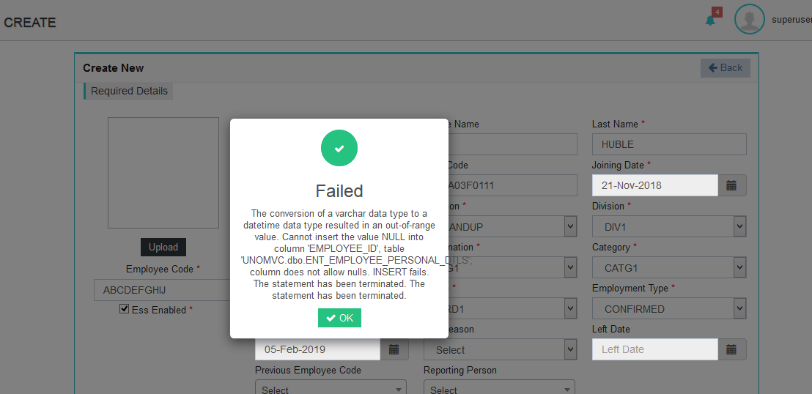

 | 2 | No limit set for Employee Id field. | Limit should be set to 10 digits | A
 | 3 | No limit set forTerminal Id field. | Limit should be set to 4 digits | A
 | 4 | No limit set for Company code field. | Limit should be set to 4 digits | A
 | 5 | No limit set for pin code field. | Limit should be set to 4 digits | A
 | 6 | Finger Enrolled--> when enrolling 10 fingers,not getting validation message as " finger enrolled successfully " instead of that, getting error message as "unfortunately smart bio has stop". | should give proper validation messasge. | A
 |  | Ver2.2
 | 1 | On Enroll page--> without giving any details like UserID, Username,Pin Level etc., directly Click on Entroll Button, it is allow to enroll all the 10 fingers & not giving error message for the Mandatory fields. After entrolling 10 fingers giving error message as "unfortunately smart bio has stop". | Should not allow to Entroll with blank details & should give error message for Mandatory fields.
 |  | Ver2.3

 |  | Fig-2
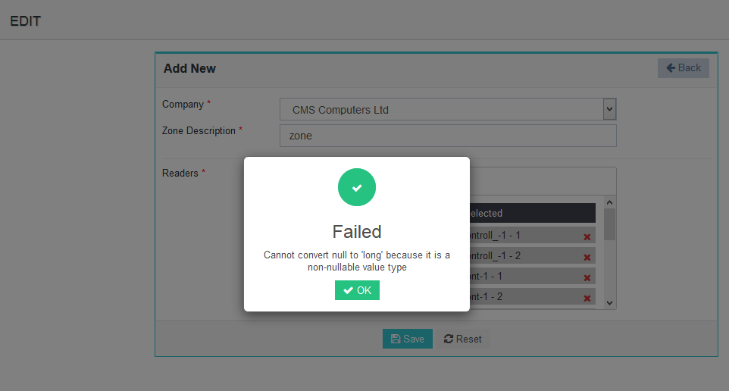

3 |  | Web Server
1 |  | Ethernet IP settings

